Sheet1
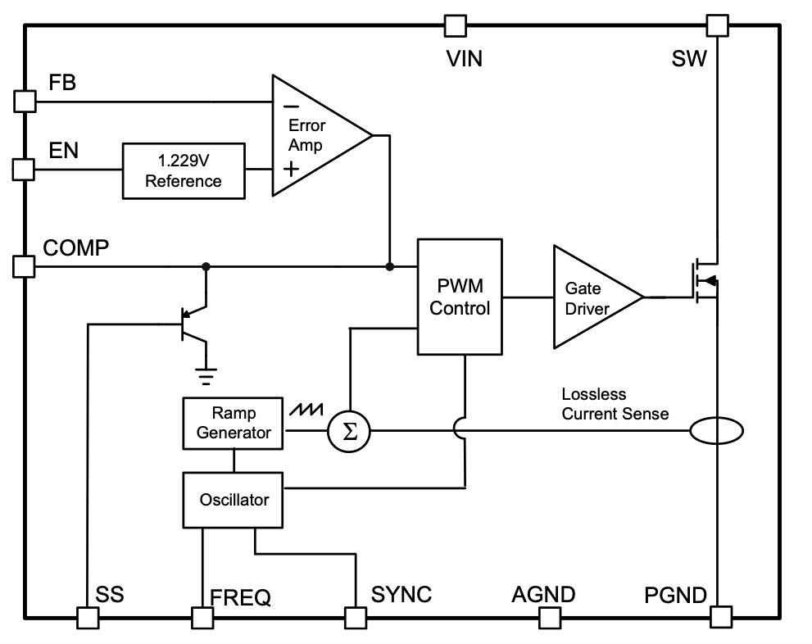
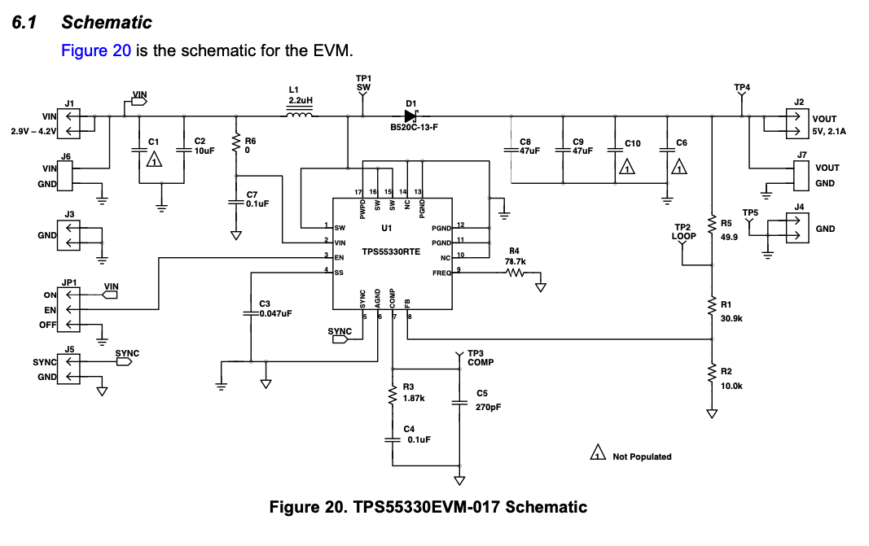

r1 | 78000 | ohms
r2 | 8888 | ohms
vo | 12.014553555 | volts

Sheet2
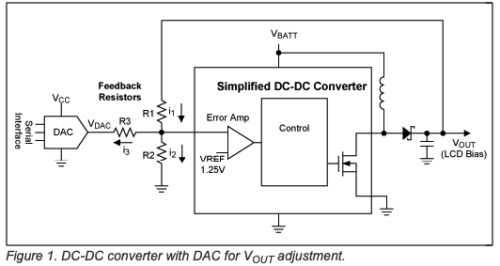

Vdac = (Vrer(1+(r1/R2))+Vref(R1/R3)-Vout))/R1/R3

 | OPCION 1 | OPCION 2 | OPCION 3
R1 | 27000 | 30000 | 20000
R2 | 7777 | 7500 | 3300
R3 | 4700 | 5600 | 4700
VREF | 1.229 | 1.229 | 1.229

VDAC | VOUT1 | VOUT2 | VOUT3
0 | 12.56 | 12.73 | 13.91 | 0
0.01 | 12.50 | 12.68 | 13.86
0.02 | 12.44 | 12.62 | 13.82
0.03 | 12.38 | 12.57 | 13.78
0.04 | 12.33 | 12.51 | 13.74
0.05 | 12.27 | 12.46 | 13.69
0.06 | 12.21 | 12.41 | 13.65
0.07 | 12.15 | 12.35 | 13.61 |  | POTENCIA MEDIA | 2 | W
0.08 | 12.10 | 12.30 | 13.57
0.09 | 12.04 | 12.25 | 13.52
0.1 | 11.98 | 12.19 | 13.48 |  | VOUT | RLOAD (Ohms)
0.11 | 11.92 | 12.14 | 13.44 |  | 5 | 13 | 6 | 12
0.12 | 11.87 | 12.09 | 13.40 |  | 6 | 18 | 7
0.13 | 11.81 | 12.03 | 13.35 |  | 7 | 25 | 8 | 25
0.14 | 11.75 | 11.98 | 13.31 |  | 8 | 32 | 9
0.15 | 11.69 | 11.93 | 13.27 |  | 9 | 41 | 10
0.16 | 11.64 | 11.87 | 13.23 |  | 10 | 50 | 11 | 50
0.17 | 11.58 | 11.82 | 13.18 |  | 11 | 61 | 12
0.18 | 11.52 | 11.76 | 13.14 |  | 12 | 72 | 13 | 75
0.19 | 11.46 | 11.71 | 13.10 |  | 13 | 85
0.2 | 11.41 | 11.66 | 13.06
0.21 | 11.35 | 11.60 | 13.01
0.22 | 11.29 | 11.55 | 12.97
0.23 | 11.23 | 11.50 | 12.93
0.24 | 11.18 | 11.44 | 12.89
0.25 | 11.12 | 11.39 | 12.84
0.26 | 11.06 | 11.34 | 12.80
0.27 | 11.00 | 11.28 | 12.76
0.28 | 10.95 | 11.23 | 12.72
0.29 | 10.89 | 11.18 | 12.67
0.3 | 10.83 | 11.12 | 12.63
0.31 | 10.78 | 11.07 | 12.59
0.32 | 10.72 | 11.01 | 12.55
0.33 | 10.66 | 10.96 | 12.50
0.34 | 10.60 | 10.91 | 12.46
0.35 | 10.55 | 10.85 | 12.42
0.36 | 10.49 | 10.80 | 12.38
0.37 | 10.43 | 10.75 | 12.33
0.38 | 10.37 | 10.69 | 12.29
0.39 | 10.32 | 10.64 | 12.25
0.4 | 10.26 | 10.59 | 12.21
0.41 | 10.20 | 10.53 | 12.16
0.42 | 10.14 | 10.48 | 12.12
0.43 | 10.09 | 10.43 | 12.08
0.44 | 10.03 | 10.37 | 12.03
0.45 | 9.97 | 10.32 | 11.99
0.46 | 9.91 | 10.26 | 11.95
0.47 | 9.86 | 10.21 | 11.91
0.48 | 9.80 | 10.16 | 11.86
0.49 | 9.74 | 10.10 | 11.82
0.5 | 9.68 | 10.05 | 11.78
0.51 | 9.63 | 10.00 | 11.74
0.52 | 9.57 | 9.94 | 11.69
0.53 | 9.51 | 9.89 | 11.65
0.54 | 9.45 | 9.84 | 11.61
0.55 | 9.40 | 9.78 | 11.57
0.56 | 9.34 | 9.73 | 11.52
0.57 | 9.28 | 9.68 | 11.48
0.58 | 9.22 | 9.62 | 11.44
0.59 | 9.17 | 9.57 | 11.40
0.6 | 9.11 | 9.51 | 11.35
0.61 | 9.05 | 9.46 | 11.31
0.62 | 8.99 | 9.41 | 11.27
0.63 | 8.94 | 9.35 | 11.23
0.64 | 8.88 | 9.30 | 11.18
0.65 | 8.82 | 9.25 | 11.14
0.66 | 8.76 | 9.19 | 11.10
0.67 | 8.71 | 9.14 | 11.06
0.68 | 8.65 | 9.09 | 11.01
0.69 | 8.59 | 9.03 | 10.97
0.7 | 8.53 | 8.98 | 10.93
0.71 | 8.48 | 8.93 | 10.89
0.72 | 8.42 | 8.87 | 10.84
0.73 | 8.36 | 8.82 | 10.80
0.74 | 8.30 | 8.76 | 10.76
0.75 | 8.25 | 8.71 | 10.72
0.76 | 8.19 | 8.66 | 10.67
0.77 | 8.13 | 8.60 | 10.63
0.78 | 8.08 | 8.55 | 10.59
0.79 | 8.02 | 8.50 | 10.55
0.8 | 7.96 | 8.44 | 10.50
0.81 | 7.90 | 8.39 | 10.46
0.82 | 7.85 | 8.34 | 10.42
0.83 | 7.79 | 8.28 | 10.38
0.84 | 7.73 | 8.23 | 10.33
0.85 | 7.67 | 8.18 | 10.29
0.86 | 7.62 | 8.12 | 10.25
0.87 | 7.56 | 8.07 | 10.21
0.88 | 7.50 | 8.01 | 10.16
0.89 | 7.44 | 7.96 | 10.12
0.9 | 7.39 | 7.91 | 10.08
0.91 | 7.33 | 7.85 | 10.03
0.92 | 7.27 | 7.80 | 9.99
0.93 | 7.21 | 7.75 | 9.95
0.94 | 7.16 | 7.69 | 9.91
0.95 | 7.10 | 7.64 | 9.86
0.96 | 7.04 | 7.59 | 9.82
0.97 | 6.98 | 7.53 | 9.78
0.98 | 6.93 | 7.48 | 9.74
0.99 | 6.87 | 7.43 | 9.69
1 | 6.81 | 7.37 | 9.65
1.01 | 6.75 | 7.32 | 9.61
1.02 | 6.70 | 7.26 | 9.57
1.03 | 6.64 | 7.21 | 9.52
1.04 | 6.58 | 7.16 | 9.48
1.05 | 6.52 | 7.10 | 9.44
1.06 | 6.47 | 7.05 | 9.40
1.07 | 6.41 | 7.00 | 9.35
1.08 | 6.35 | 6.94 | 9.31
1.09 | 6.29 | 6.89 | 9.27
1.1 | 6.24 | 6.84 | 9.23
1.11 | 6.18 | 6.78 | 9.18
1.12 | 6.12 | 6.73 | 9.14
1.13 | 6.06 | 6.68 | 9.10
1.14 | 6.01 | 6.62 | 9.06
1.15 | 5.95 | 6.57 | 9.01
1.16 | 5.89 | 6.51 | 8.97
1.17 | 5.83 | 6.46 | 8.93
1.18 | 5.78 | 6.41 | 8.89
1.19 | 5.72 | 6.35 | 8.84
1.2 | 5.66 | 6.30 | 8.80
1.21 | 5.60 | 6.25 | 8.76
1.22 | 5.55 | 6.19 | 8.72
1.23 | 5.49 | 6.14 | 8.67
1.24 | 5.43 | 6.09 | 8.63
1.25 | 5.38 | 6.03 | 8.59
1.26 | 5.32 | 5.98 | 8.55
1.27 | 5.26 | 5.93 | 8.50
1.28 | 5.20 | 5.87 | 8.46
1.29 | 5.15 | 5.82 | 8.42
1.3 | 5.09 | 5.76 | 8.38
1.31 | 5.03 | 5.71 | 8.33
1.32 | 4.97 | 5.66 | 8.29
1.33 | 4.92 | 5.60 | 8.25
1.34 | 4.86 | 5.55 | 8.21
1.35 | 4.80 | 5.50 | 8.16
1.36 | 4.74 | 5.44 | 8.12
1.37 | 4.69 | 5.39 | 8.08
1.38 | 4.63 | 5.34 | 8.03
1.39 | 4.57 | 5.28 | 7.99
1.4 | 4.51 | 5.23 | 7.95
1.41 | 4.46 | 5.18 | 7.91
1.42 | 4.40 | 5.12 | 7.86
1.43 | 4.34 | 5.07 | 7.82
1.44 | 4.28 | 5.01 | 7.78
1.45 | 4.23 | 4.96 | 7.74
1.46 | 4.17 | 4.91 | 7.69
1.47 | 4.11 | 4.85 | 7.65
1.48 | 4.05 | 4.80 | 7.61
1.49 | 4.00 | 4.75 | 7.57
1.5 | 3.94 | 4.69 | 7.52
1.51 | 3.88 | 4.64 | 7.48
1.52 | 3.82 | 4.59 | 7.44
1.53 | 3.77 | 4.53 | 7.40
1.54 | 3.71 | 4.48 | 7.35
1.55 | 3.65 | 4.43 | 7.31
1.56 | 3.59 | 4.37 | 7.27
1.57 | 3.54 | 4.32 | 7.23
1.58 | 3.48 | 4.26 | 7.18
1.59 | 3.42 | 4.21 | 7.14
1.6 | 3.36 | 4.16 | 7.10
1.61 | 3.31 | 4.10 | 7.06
1.62 | 3.25 | 4.05 | 7.01
1.63 | 3.19 | 4.00 | 6.97
1.64 | 3.13 | 3.94 | 6.93
1.65 | 3.08 | 3.89 | 6.89
1.66 | 3.02 | 3.84 | 6.84
1.67 | 2.96 | 3.78 | 6.80
1.68 | 2.90 | 3.73 | 6.76
1.69 | 2.85 | 3.68 | 6.72
1.7 | 2.79 | 3.62 | 6.67
1.71 | 2.73 | 3.57 | 6.63
1.72 | 2.68 | 3.51 | 6.59
1.73 | 2.62 | 3.46 | 6.55
1.74 | 2.56 | 3.41 | 6.50
1.75 | 2.50 | 3.35 | 6.46
1.76 | 2.45 | 3.30 | 6.42
1.77 | 2.39 | 3.25 | 6.38
1.78 | 2.33 | 3.19 | 6.33
1.79 | 2.27 | 3.14 | 6.29
1.8 | 2.22 | 3.09 | 6.25
1.81 | 2.16 | 3.03 | 6.21
1.82 | 2.10 | 2.98 | 6.16
1.83 | 2.04 | 2.93 | 6.12
1.84 | 1.99 | 2.87 | 6.08
1.85 | 1.93 | 2.82 | 6.03
1.86 | 1.87 | 2.76 | 5.99
1.87 | 1.81 | 2.71 | 5.95
1.88 | 1.76 | 2.66 | 5.91
1.89 | 1.70 | 2.60 | 5.86
1.9 | 1.64 | 2.55 | 5.82
1.91 | 1.58 | 2.50 | 5.78
1.92 | 1.53 | 2.44 | 5.74
1.93 | 1.47 | 2.39 | 5.69
1.94 | 1.41 | 2.34 | 5.65
1.95 | 1.35 | 2.28 | 5.61
1.96 | 1.30 | 2.23 | 5.57
1.97 | 1.24 | 2.18 | 5.52
1.98 | 1.18 | 2.12 | 5.48
1.99 | 1.12 | 2.07 | 5.44
2 | 1.07 | 2.01 | 5.40
2.01 | 1.01 | 1.96 | 5.35
2.02 | 0.95 | 1.91 | 5.31
2.03 | 0.89 | 1.85 | 5.27
2.04 | 0.84 | 1.80 | 5.23
2.05 | 0.78 | 1.75 | 5.18
2.06 | 0.72 | 1.69 | 5.14
2.07 | 0.66 | 1.64 | 5.10
2.08 | 0.61 | 1.59 | 5.06
2.09 | 0.55 | 1.53 | 5.01
2.1 | 0.49 | 1.48 | 4.97
2.11 | 0.43 | 1.43 | 4.93
2.12 | 0.38 | 1.37 | 4.89
2.13 | 0.32 | 1.32 | 4.84
2.14 | 0.26 | 1.26 | 4.80
2.15 | 0.20 | 1.21 | 4.76
2.16 | 0.15 | 1.16 | 4.72
2.17 | 0.09 | 1.10 | 4.67
2.18 | 0.03 | 1.05 | 4.63
2.19 | -0.02 | 1.00 | 4.59
2.2 | -0.08 | 0.94 | 4.55
2.21 | -0.14 | 0.89 | 4.50
2.22 | -0.20 | 0.84 | 4.46
2.23 | -0.25 | 0.78 | 4.42
2.24 | -0.31 | 0.73 | 4.38
2.25 | -0.37 | 0.68 | 4.33
2.26 | -0.43 | 0.62 | 4.29
2.27 | -0.48 | 0.57 | 4.25
2.28 | -0.54 | 0.51 | 4.21
2.29 | -0.60 | 0.46 | 4.16
2.3 | -0.66 | 0.41 | 4.12
2.31 | -0.71 | 0.35 | 4.08

